Summary
 |  |  | Manufacturing Process Cost Breakdown
Table of Materials and Processes |  |  |  | Manufacturing Process | Cost
Materials |  | Materials and fasteners | Machining
Fasteners |  | $-
Assembly
Machining (Mill&lathe) |  | Processing
Set-up (Mill&lathe) |  | $- | Setup
Drilling & tapping
Hand Finish
Sawing
Total | 0.00

Table of Components
Pedestal base
Pedestal top |  |  | Drilling & Tapping
Bearing
Pin
Stud
Nut
Washer
Assembly |  |  | Hand Finish
Total | $0.00
Materials and Processes
Materials
Fasteners
Assembly
Machining (Mill&lathe)
Set-up (Mill&lathe)
Drilling & tapping
 | Materials and fasteners
Materials and fasteners
Processing

 |  |  | Sawing

Materials and fasteners
Processing

Formulas_Centre R24
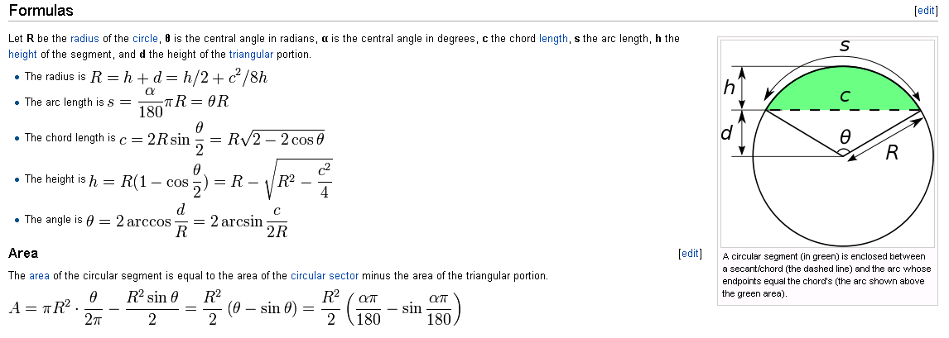

[Pedestal Base, Centre R24] |  |  | Source: WIKIPEDIA
h | Hence | c =
d |  | Area=
R |  | Theta=

[Pedestal Top, Centre R24]
h | Hence | c =
d |  | Area=
R |  | Theta=

